YT IR SS
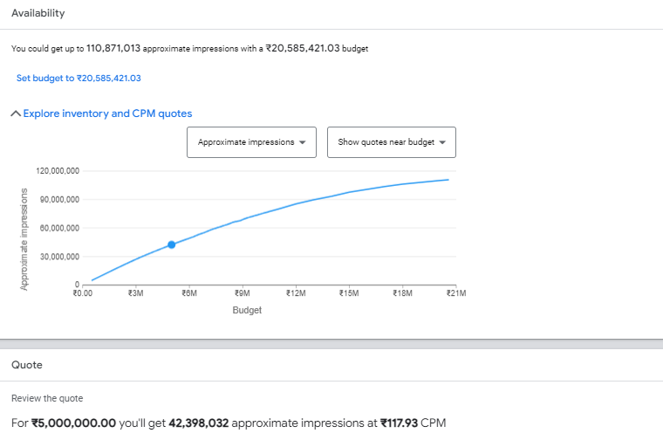
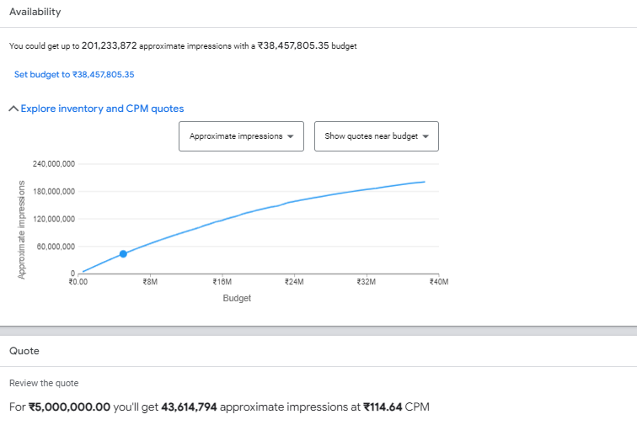
Delhi : Demo + Geo + Parents + Value Shoppers, Audiophiles, Avid Investors, Family focused, Family Movie Fans, TV Comedy Fans, TV Drama Fans, Family Television Fans, + 30% HHI | Delhi : Demo + Geo + Value Shoppers, Audiophiles, Avid Investors, Family focused, Family Movie Fans, TV Comedy Fans, TV Drama Fans, Family Television Fans, + 30% HHI
1,012,793 | 4,064,559
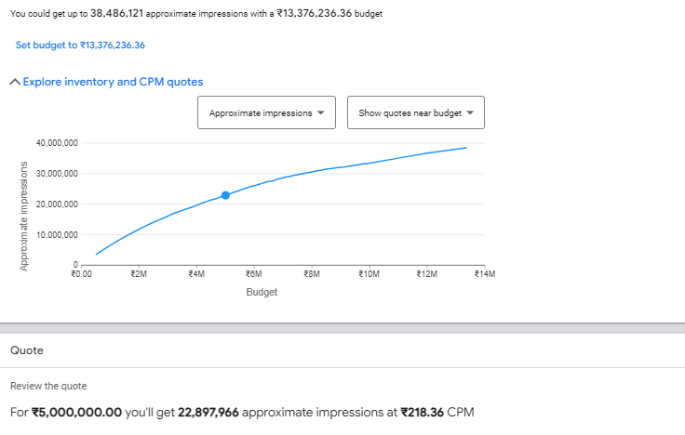
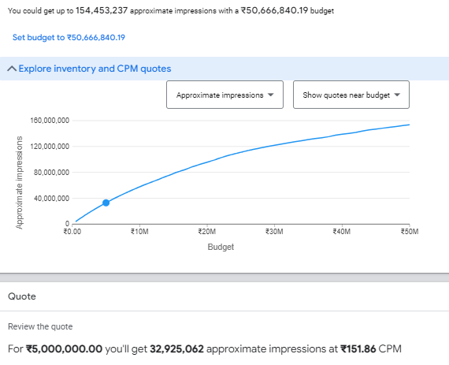

Mumbai : Demo + Geo + Parents + Value Shoppers, Audiophiles, Avid Investors, Family focused, Family Movie Fans, TV Comedy Fans, TV Drama Fans, Family Television Fans, + 30% HHI | Mumbai : Demo + Geo + Value Shoppers, Audiophiles, Avid Investors, Family focused, Family Movie Fans, TV Comedy Fans, TV Drama Fans, Family Television Fans, + 30% HHI
995698.42105 | 2814906.5
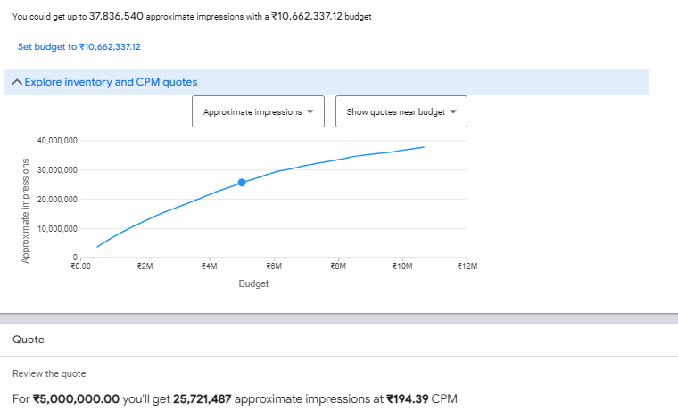
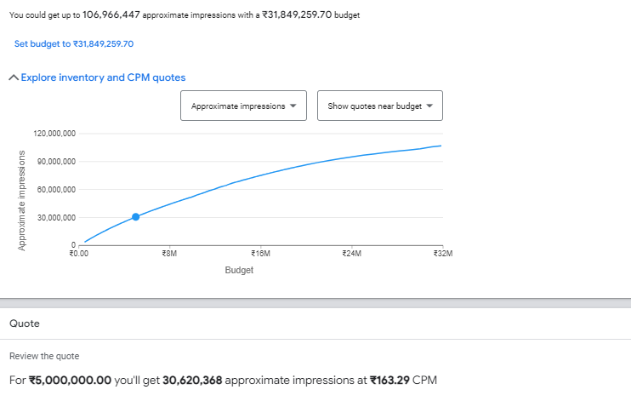

Pune : Demo + Geo + Parents + Value Shoppers, Audiophiles, Avid Investors, Family focused, Family Movie Fans, TV Comedy Fans, TV Drama Fans, Family Television Fans, + 30% HHI | Pune : Demo + Geo + Value Shoppers, Audiophiles, Avid Investors, Family focused, Family Movie Fans, TV Comedy Fans, TV Drama Fans, Family Television Fans, + 30% HHI
2,572,634 | 5,861,406
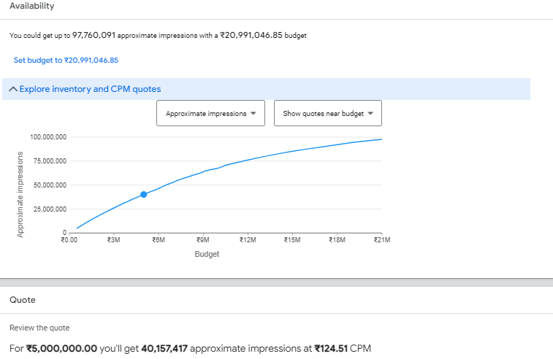
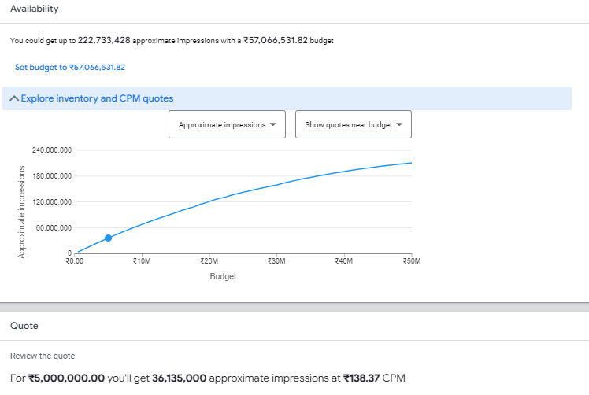

RJ : Demo + Geo + Parents + Value Shoppers, Audiophiles, Avid Investors, Family focused, Family Movie Fans, TV Comedy Fans, TV Drama Fans, Family Television Fans, + 30% HHI | RJ : Demo + Geo + Value Shoppers, Audiophiles, Avid Investors, Family focused, Family Movie Fans, TV Comedy Fans, TV Drama Fans, Family Television Fans, + 30% HHI
2,691,769 | 6,458,117
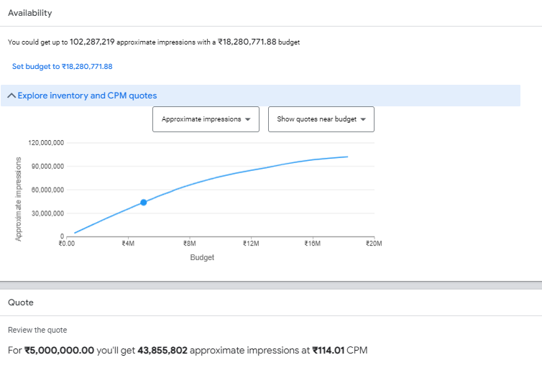
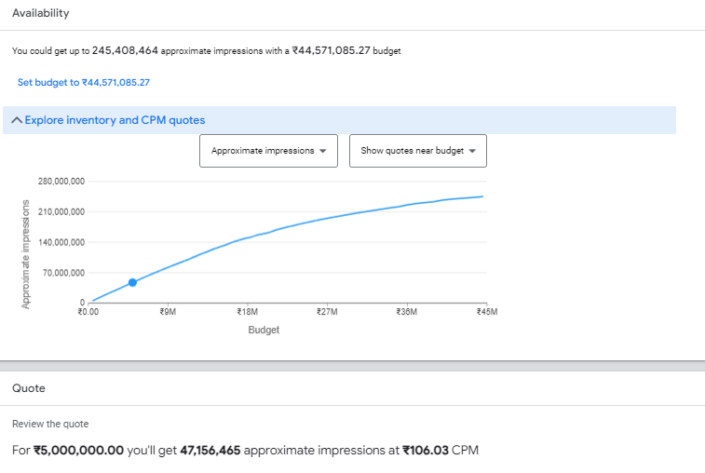

UP : Demo + Geo + Parents + Value Shoppers, Audiophiles, Avid Investors, Family focused, Family Movie Fans, TV Comedy Fans, TV Drama Fans, Family Television Fans, + 30% HHI | UP : Demo + Geo + Value Shoppers, Audiophiles, Avid Investors, Family focused, Family Movie Fans, TV Comedy Fans, TV Drama Fans, Family Television Fans, + 30% HHI
4,981,588 | 14,161,189
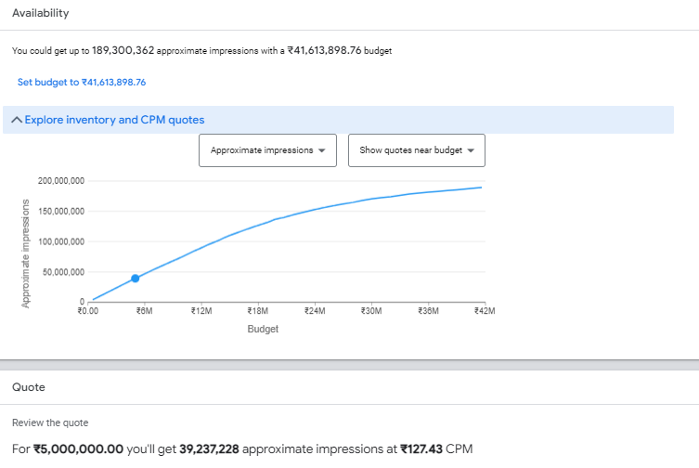
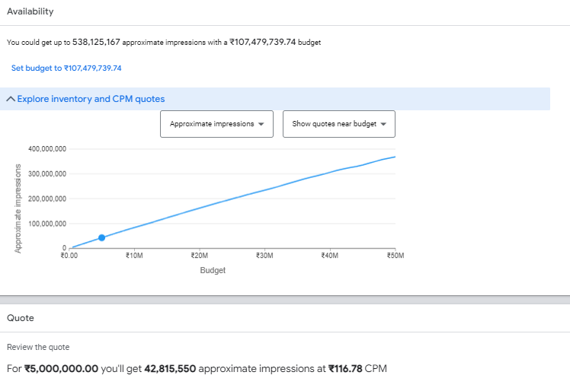

MP : Demo + Geo + Parents + Value Shoppers, Audiophiles, Avid Investors, Family focused, Family Movie Fans, TV Comedy Fans, TV Drama Fans, Family Television Fans, + 30% HHI | MP : Demo + Geo + Value Shoppers, Audiophiles, Avid Investors, Family focused, Family Movie Fans, TV Comedy Fans, TV Drama Fans, Family Television Fans, + 30% HHI
2,835,475 | 7,492,467
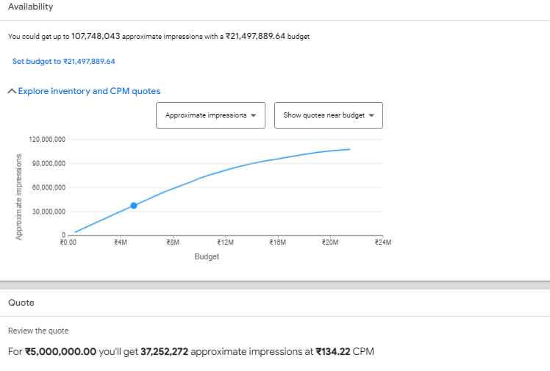
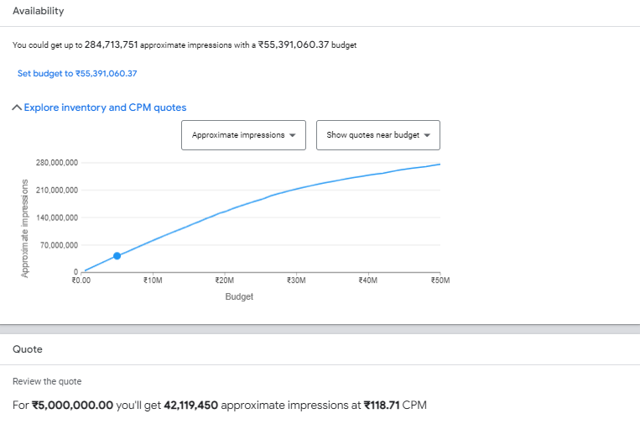

CG : Demo + Geo + Parents + Value Shoppers, Audiophiles, Avid Investors, Family focused, Family Movie Fans, TV Comedy Fans, TV Drama Fans, Family Television Fans, + 30% HHI | CG : Demo + Geo + Value Shoppers, Audiophiles, Avid Investors, Family focused, Family Movie Fans, TV Comedy Fans, TV Drama Fans, Family Television Fans, + 30% HHI
26,163 | 231,281
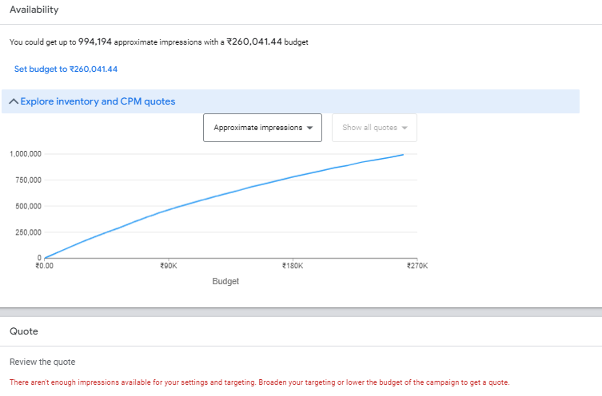
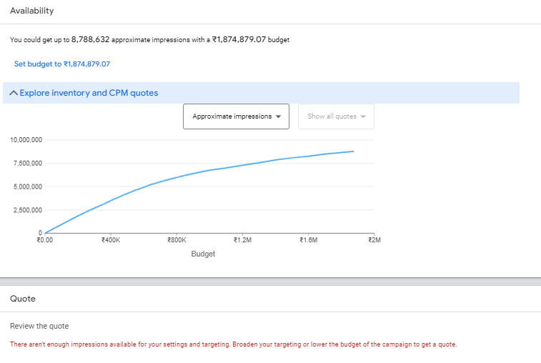

OR : Demo + Geo + Parents + Value Shoppers, Audiophiles, Avid Investors, Family focused, Family Movie Fans, TV Comedy Fans, TV Drama Fans, Family Television Fans, + 30% HHI | OR : Demo + Geo + Value Shoppers, Audiophiles, Avid Investors, Family focused, Family Movie Fans, TV Comedy Fans, TV Drama Fans, Family Television Fans, + 30% HHI
1,023,628 | 2,721,983
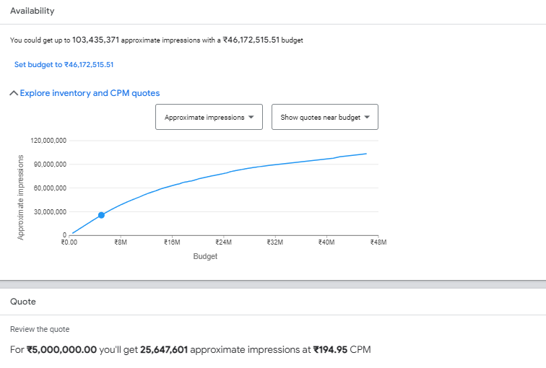
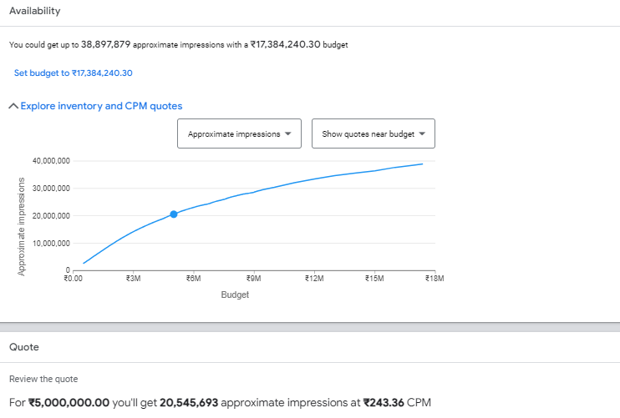

ROM : Demo + Geo + Parents + Value Shoppers, Audiophiles, Avid Investors, Family focused, Family Movie Fans, TV Comedy Fans, TV Drama Fans, Family Television Fans, + 30% HHI | ROM : Demo + Geo + Value Shoppers, Audiophiles, Avid Investors, Family focused, Family Movie Fans, TV Comedy Fans, TV Drama Fans, Family Television Fans, + 30% HHI
1,175,791 | 3,603,898
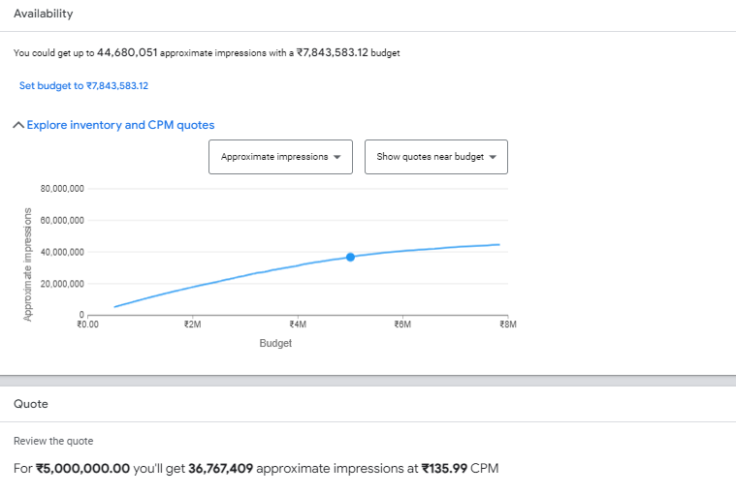
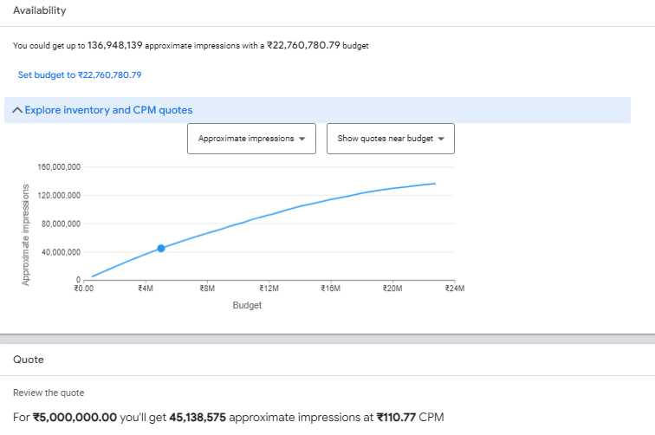

GJ : Demo + Geo + Parents + Value Shoppers, Audiophiles, Avid Investors, Family focused, Family Movie Fans, TV Comedy Fans, TV Drama Fans, Family Television Fans, + 30% HHI | GJ : Demo + Geo + Value Shoppers, Audiophiles, Avid Investors, Family focused, Family Movie Fans, TV Comedy Fans, TV Drama Fans, Family Television Fans, + 30% HHI
2,917,658 | 5295628.2105

FB Sizing
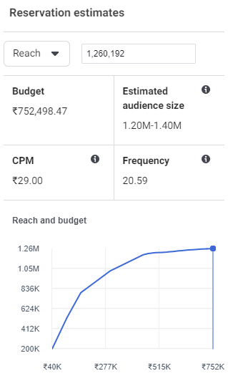
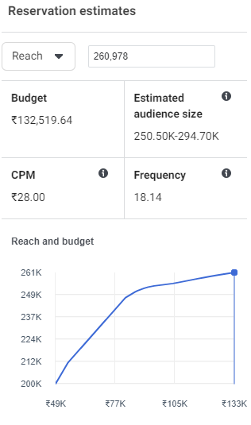
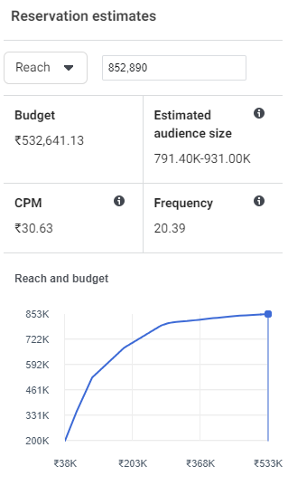
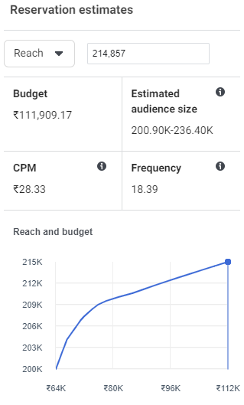
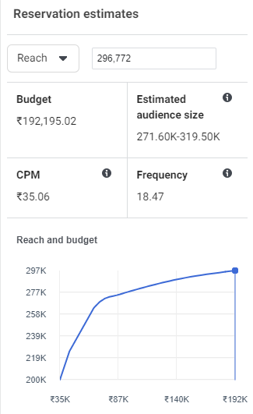
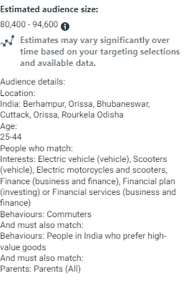
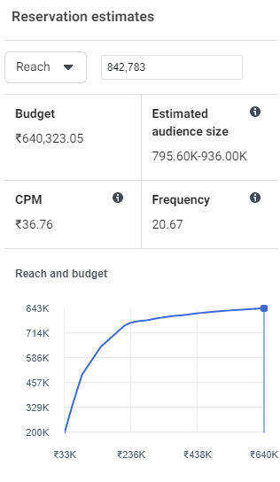
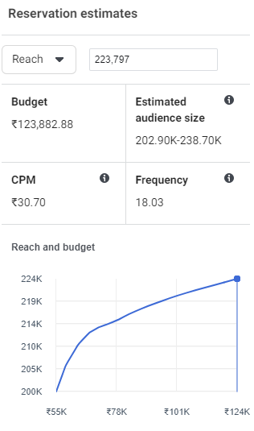

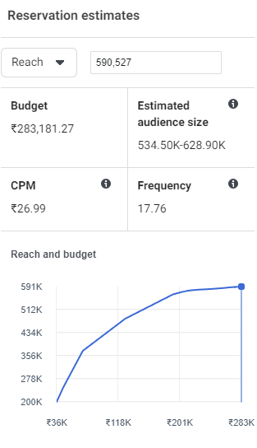
 |  | Affinity | Affinity + Parents |  | Duplication - Affinity minus 2% Lookalike
 | Delhi NCR | 1,260,192 | 688,432 | Delhi NCR | 40%
 | Mumbai | 1,117,099 | 408,564 | Mumbai | 24%
 | Pune | 842,783 | 223,797 | Pune | 23%
 | ROMah | 1,400,000 | 361,937 | ROMah | 0%
 | Gujarat | 1,900,000 | 590,527 | Gujarat | 53%
 | UP | 1,776,670 | 471,860 | UP | 45%
 | Rajasthan | 1,260,192 | 260,978 | Rajasthan | 0%
 | MP | 852,890 | 214,857 | MP | 0%
 | Chattisgarh | 196,900 | 48,900 | Chattisgarh | 0%
 | Orrisa | 296,772 | 94,600 | Orrisa | 0%

25 - 44
Affinity Electric Vehicle, Scooters, Investment (business & finance), Electric Motorcycles and scooters, Finance, Financial plan, financial services, commuters
And People who prefer High Value Goods

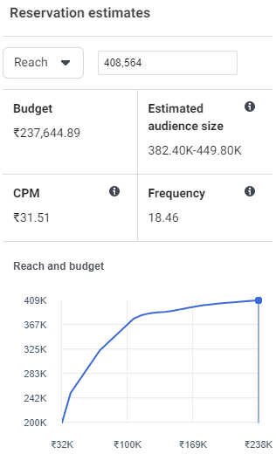
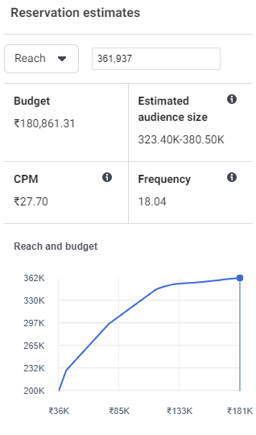
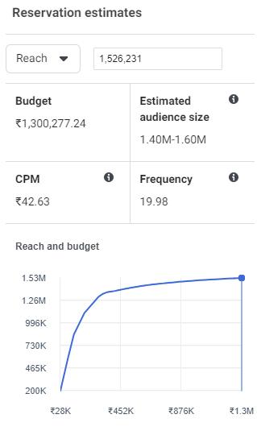
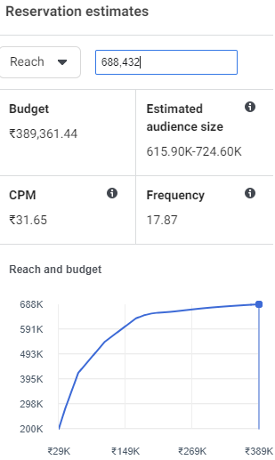
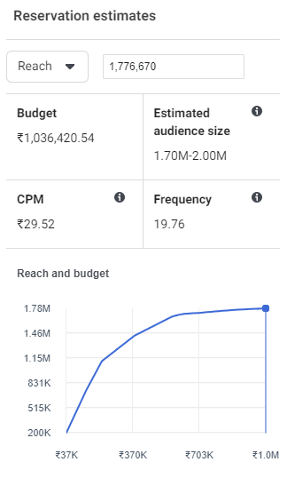
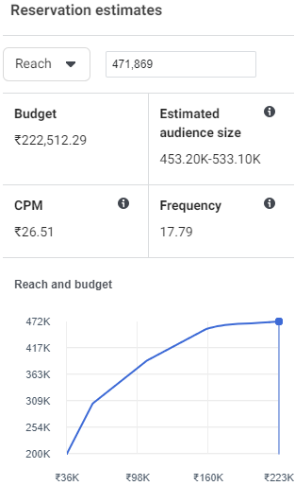
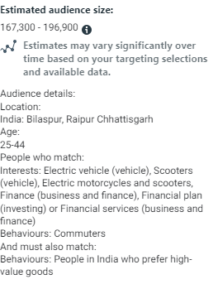
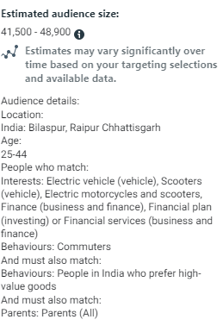
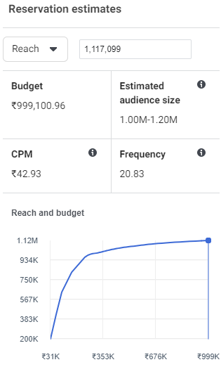
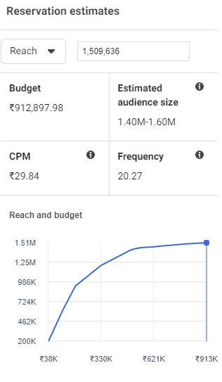
Delhi | Audience Size |  | Affinity + Parents + People who prefer High Value Goods | Affinity + Parents + People who prefer High Value Goods - Lookalike Audience |  | UP | Audience Size | Affinity + Parents + People who prefer High Value Goods |  |  | Chattisgarh | Audience Size |  |  | Mumbai | Audience Size | Parents | 408564 |  | 312900 | ROM | Audience Size | Parents | 361,937
Affinity + People who prefer High Value Goods | 1526231 |  | 688,432 | 406100 |  | Affinity | 1776670 | 471860 |  | 263703 | Affinity (no RNF) | 196900 | Parents | 48900 | Affinity (no RNF) | 1117099 |  |  |  | 0.76585308544 | Affinity (no RNF) | 1400000
 |  |  |  | 59% |  |  |  |  |  | 0.55885855974

Rajasthan | Audience Size |  | Affinity + Parents + People who prefer High Value Goods |  |  | MP | Audience Size |  |  |  | Orrisa | Audience Size |  |  | Pune | Audience Size |  |  |  |  | Gujarat | Audience Size | Parents | 590527 | 318626
Affinity | 1260192 |  | 260978 |  |  | Affinity | 852890 | Affinity + Parents + People who prefer High Value Goods | 214857 |  | Affinity | 296772 | Parents | 94600 | Affinity (no RNF) | 842783 | Parents | 223797 | 149100 | 67% | Affinity (no RNF) | 1900000

Lookalike SS
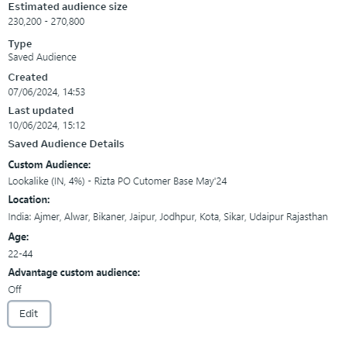
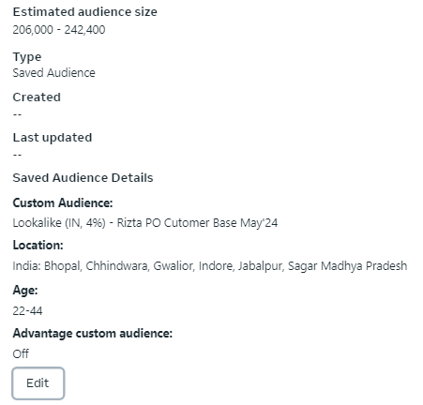
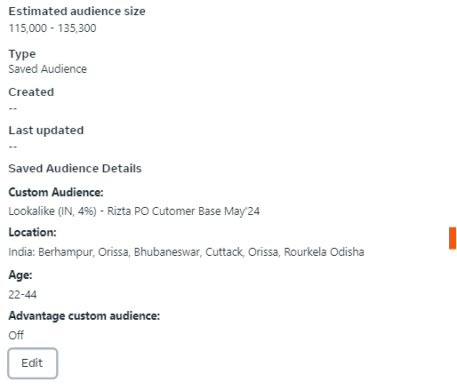
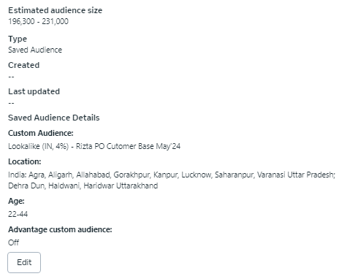
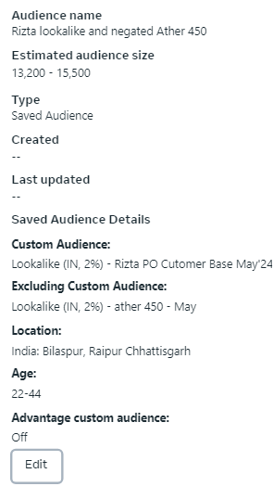
2% Lookalike Audience (Miinus Ather 450 audience)
Delhi NCR |  | Mumbai |  |  |  | Pune |  | Chennai |  | Rajasthan |  |  | UP |  |  | MP |  | Chattisgarh |  | Odisha |  | Maharashtra |  | Gujarat |  | Tamil Nadu
Audience Size | 145500 | Audience Size | 140,990 |  |  | Audience Size | 98,500 | Audience Size | 161000 | Audience Size | 81000 |  | Audience Size | 60000 |  | Audience Size | 58500 | Audience Size | 15500 | Audience Size | 35200 | Audience Size | 88,200 | Audience Size | 257300 | Audience Size | 97200
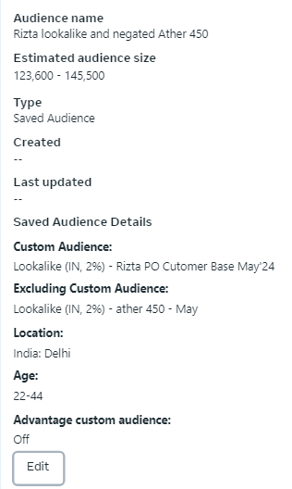
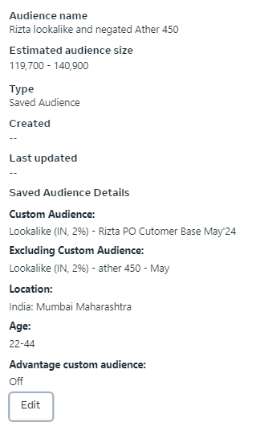
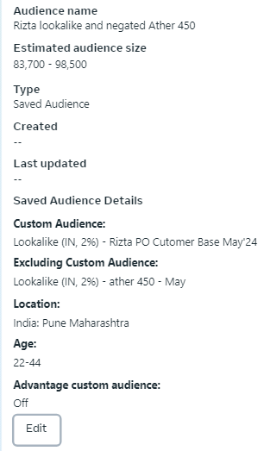
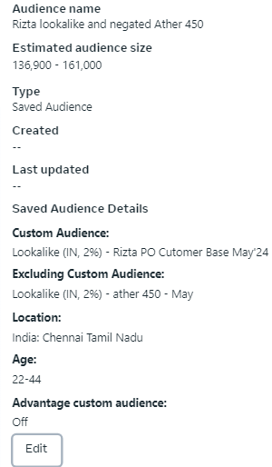
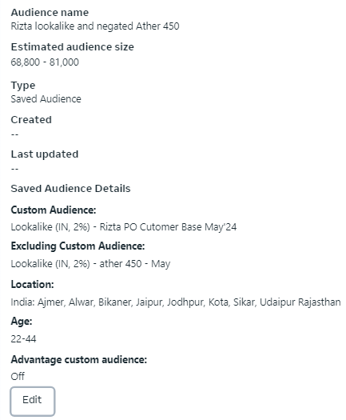
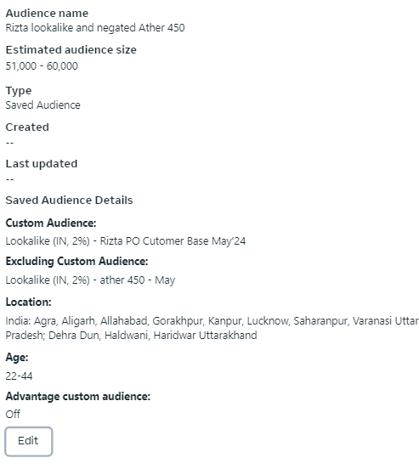








2% Lookalike Audience
Delhi NCR |  | Mumbai |  |  |  | Pune |  | Chennai |  | Rajasthan |  |  | UP |  |  | MP |  | Chattisgarh |  | Odisha |  | Maharashtra |  | Gujarat |  | Tamil Nadu
Audience Size | 284400 | Audience Size | 379,600 |  |  | Audience Size | 361500 | Audience Size | 560600 | Audience Size | 127,300 |  | Audience Size | 83100 |  | Audience Size | 108200 | Audience Size | 28300 | Audience Size | 71400 | Audience Size | 260800 | Audience Size | 539300 | Audience Size | 324,400












4% Lookalike Audience
Rajasthan |  |  |  | MP |  |  |  | Chattisgarh |  |  | Odisha |  |  | UP
Audience Size | 270,800 |  |  | Audience Size | 242400 |  |  | Audience Size | 65500 |  | Audience Size | 135300 |  | Audience Size | 231000

Google SS Channel Pack







Demo + 2 Wheelers Auto, Tech, top 200 CTV
Delhi NCR | UP Market | Rajasthan | MP Market | MH Market | Gujarat Market | TN Market

